Sheet1
 |  |  |  |  | 4

 |  |  |  |  | 2

 |  | 3
 |  |  |  |  |  | 1
 |  |  |  | 0

Convention 1 Origin at center of mass of object |  |  |  |  | Rotations and Scales
Vertex List
 | x | y | z
0 | -1 | -1 | -1
1 | 1 | -1 | -1
2 | 1 | -1 | 1
3 | -1 | -1 | 1
4 | 0 | 2 | 0

Convention 2 Faces described in the same direction, usually counter clockwise. |  |  |  |  |  |  | Back Face Culling
Face (Index) List
0 | 0 | 1 | 4 |  | Front | 2 | 1 | 0
1 | 1 | 2 | 4 |  | Right | 6 | 2 | 4
2 | 2 | 3 | 4 |  | Back | 5 | 6 | 7
3 | 0 | 4 | 3 |  | Left | 5 | 3 | 1
4 | 0 | 2 | 1 |  | Bottom | 1 | 6 | 5
5 | 0 | 3 | 2 |  |  | 1 | 2 | 6
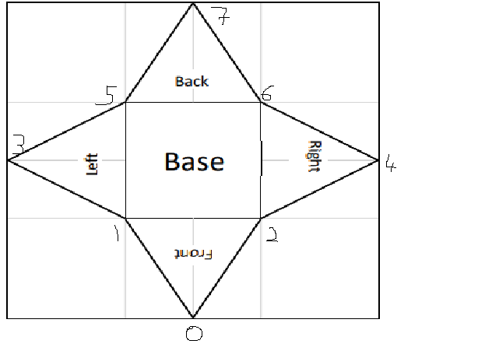

Texture Coordinates
 | u | v
0 | 0.5 | 0
1 | 0.3333 | 0.3333
2 | 0.6667 | 0.3333
3 | 0 | 0.5
4 | 1 | 0.5
5 | 0.3333 | 0.6667
6 | 0.6667 | 0.6667
7 | 0.5 | 1

